HandCalculation (2)
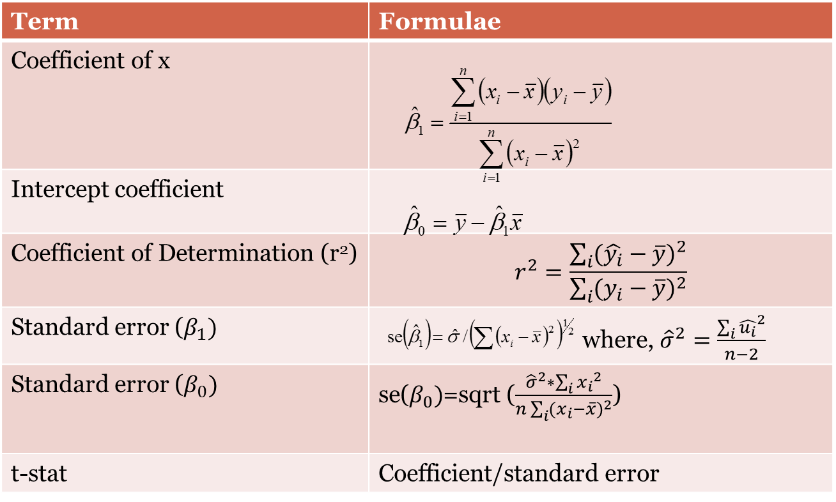
 |  |  |  |  | Sxy | Sxx |  |  | Syy
N | y | x | xi-xbar | yi-ybar | (xi-xbar)*(yi-ybar) | (xi-xbar)^2 | yi_hat | [(y_i_hat)-(y_bar)]^2 | [(y_i) -(y_bar)]^2 | ui | (ui)^2 | xi^2 | yi^2
1 | 70 | 80 | -90 | -41 | 3690 | 8100 | 65.181818182 | 2099.3057851 | 1681 | 4.8181818182 | 23.214876033 | 6400 | 4900
2 | 65 | 100 | -70 | -46 | 3220 | 4900 | 75.363636364 | 1269.9504132 | 2116 | -10.363636364 | 107.40495868 | 10000 | 4225
3 | 90 | 120 | -50 | -21 | 1050 | 2500 | 85.545454545 | 647.9338843 | 441 | 4.4545454545 | 19.842975207 | 14400 | 8100
4 | 95 | 140 | -30 | -16 | 480 | 900 | 95.727272727 | 233.25619835 | 256 | -0.72727272727 | 0.52892561983 | 19600 | 9025
5 | 110 | 160 | -10 | -1 | 10 | 100 | 105.90909091 | 25.917355372 | 1 | 4.0909090909 | 16.73553719 | 25600 | 12100
6 | 115 | 180 | 10 | 4 | 40 | 100 | 116.09090909 | 25.917355372 | 16 | -1.0909090909 | 1.1900826446 | 32400 | 13225
7 | 120 | 200 | 30 | 9 | 270 | 900 | 126.27272727 | 233.25619835 | 81 | -6.2727272727 | 39.347107438 | 40000 | 14400
8 | 140 | 220 | 50 | 29 | 1450 | 2500 | 136.45454545 | 647.9338843 | 841 | 3.5454545455 | 12.570247934 | 48400 | 19600
9 | 155 | 240 | 70 | 44 | 3080 | 4900 | 146.63636364 | 1269.9504132 | 1936 | 8.3636363636 | 69.950413223 | 57600 | 24025
10 | 150 | 260 | 90 | 39 | 3510 | 8100 | 156.81818182 | 2099.3057851 | 1521 | -6.8181818182 | 46.487603306 | 67600 | 22500
Sum | 1110 | 1700 | 0 | 0 | 16800 | 33000 | 1110 | 8552.7272727 | 8890 | -1.4210854715E-14 | 337.27272727 | 322000 | 132100
Average | 111 | 170 | 0 | 0 | 1680 | 3300 | 111 | 855.27272727 | 889 | -1.4210854715E-15 | 33.727272727 | 32200 | 13210
stdev | 31.428932177 | 60.553007082
Overallmean | 140.5 |  |  |  |  |  |  |  |  | Sigma^2 | 42.159090909
 | beta1 | 0.50909090909 |  |  | 0.50909090909 |  |  |  |  | Sxx | 33000
 | beta0 | 24.454545455 |  |  | 24.454545455 |  |  |  |  | Sxy | 16800
 | r-square | 0.96206156049
 | r | 0.9808473686
 | se(beta1) | 0.0357428064
 | se(beta0) | 6.4138172987
 | t-stat_beta1 | 14.243171154 |  | -2.3060041352
 | t-stat_beta0 | 3.8127910908
 | UB_beta1 | 0.59151382065
 | LB_beta1 | 0.42666799753
 | UB_beta0 | 39.244808145
 | LB_beta0 | 9.6642827637

 | Source | df | SS | MS | F
 | Regression | 1 | 8552.7272727 | 8552.7272727 | 202.86792453
 | Residual | 8 | 337.27272727 | 42.159090909
 | Total | 9 | 8890

Base
N | y | x | OLS | xi-xbar | yi-ybar | (xi-xbar)*(yi-ybar) | (xi-xbar)^2 | y_hat | (y_hat-y_bar)^2 | (yi-ybar)^2 | ui | ui^2 | xi^2
1 | 70 | 80 | 23.209629099 | -90 | -41 | 3690 | 8100 | 65.181818182 | 2099.3057851 | 1681 | -4.8181818182 | 23.214876033 | 6400
2 | 65 | 100 | 107.41457774 | -70 | -46 | 3220 | 4900 | 75.363636364 | 1269.9504132 | 2116 | 10.363636364 | 107.40495868 | 10000
3 | 90 | 120 | 19.83955773 | -50 | -21 | 1050 | 2500 | 85.545454545 | 647.9338843 | 441 | -4.4545454545 | 19.842975207 | 14400
4 | 95 | 140 | 0.52936666334 | -30 | -16 | 480 | 900 | 95.727272727 | 233.25619835 | 256 | 0.72727272727 | 0.52892561983 | 19600
5 | 110 | 160 | 16.733715168 | -10 | -1 | 10 | 100 | 105.90909091 | 25.917355372 | 1 | -4.0909090909 | 16.73553719 | 25600
6 | 115 | 180 | 1.1903930091 | 10 | 4 | 40 | 100 | 116.09090909 | 25.917355372 | 16 | 1.0909090909 | 1.1900826446 | 32400
7 | 120 | 200 | 39.347882557 | 30 | 9 | 270 | 900 | 126.27272727 | 233.25619835 | 81 | 6.2727272727 | 39.347107438 | 40000
8 | 140 | 220 | 12.570380336 | 50 | 29 | 1450 | 2500 | 136.45454545 | 647.9338843 | 841 | -3.5454545455 | 12.570247934 | 48400
9 | 155 | 240 | 69.952071383 | 70 | 44 | 3080 | 4900 | 146.63636364 | 1269.9504132 | 1936 | -8.3636363636 | 69.950413223 | 57600
10 | 150 | 260 | 46.48515445 | 90 | 39 | 3510 | 8100 | 156.81818182 | 2099.3057851 | 1521 | 6.8181818182 | 46.487603306 | 67600
Sum | 1110 | 1700 | 337.27272814 | 0 | 0 | 16800 | 33000 | 1110 | 8552.7272727 | 8890 | 1.4210854715E-14 | 337.27272727 | 322000
Average | 111 | 170 | 33.727272814 | 0 | 0 | 1680 | 3300 | 111 | 855.27272727 | 889 | 1.4210854715E-15 | 33.727272727 | 32200
 | beta0 | beta1
 | 24.455411805 | 0.50908688626
 |  |  |  |  |  | beta1 | 0.50909090909
 |  |  |  |  |  | beta0 | 24.454545455
 |  |  |  |  |  | r-square | 0.96206156049
 |  |  |  |  |  | r | 0.9808473686
 |  |  |  |  |  | se(beta1) | 0.0357428064
 |  |  |  |  |  | se(beta0) | 6.4138172987
 |  |  |  |  |  | t-beta1 | 14.243171154
 |  |  |  |  |  | t-beta0 | 3.8127910908
 |  |  |  |  |  | UB_beta1 | 0.58272109028
 |  |  |  |  |  | LB_beta1 | 0.43546072791
 |  |  |  |  |  | UB_beta0 | 37.66700909
 |  |  |  |  |  | LB_beta0 | 11.242081819

